How To
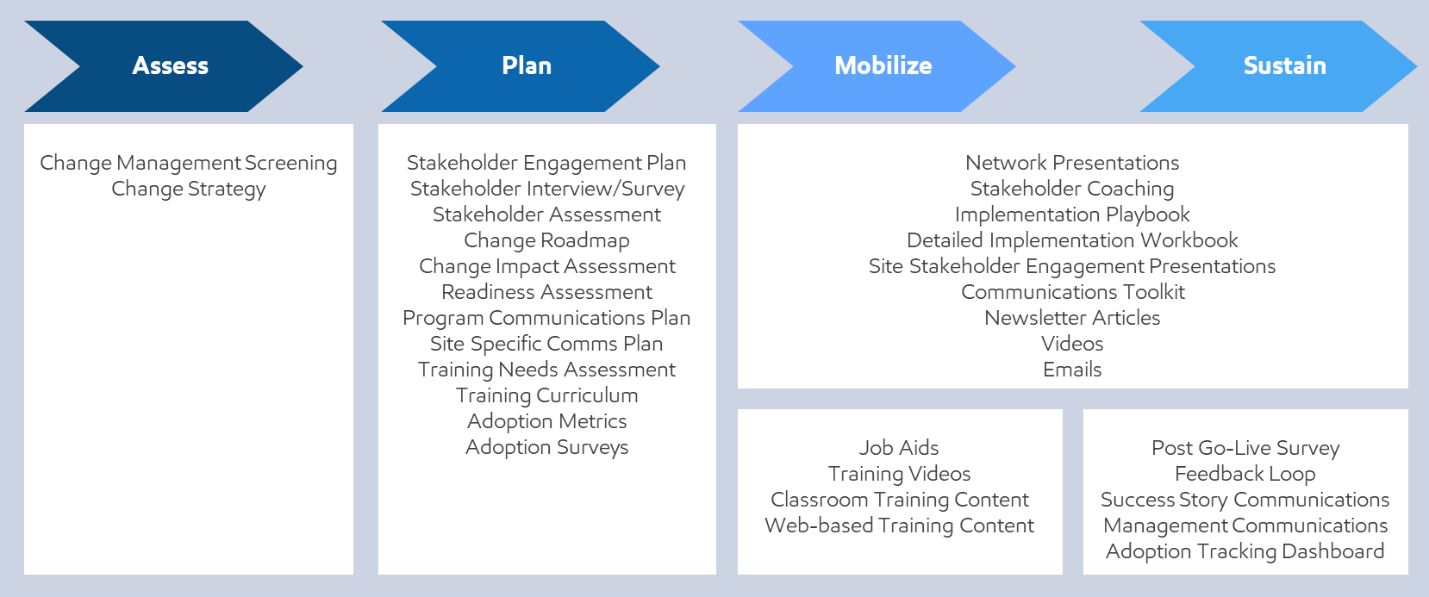
How To Use This Template

Current Tabs | Assess
Project Information | Change Management Screening
Project Plan | Change Strategy
PCT Assessment | PCT Assessment
Stakeholder Assessment
Change Impact Assessment | Plan
Readiness Assessment | Stakeholder Engagement Plan
Communications Plan | Stakeholder Interview/Survey
Training Plan | Stakeholder Assessment
Testing Plan | Change Roadmap
Completion Checklist | Change Impact Assessment
Deliverables | Readiness Assessment
User List | Program Communications Plan
 | Site Specific Comms Plan
Reference Data | Training Needs Assessment
 | Training Curriculum
 | Adoption Metrics
 | Adoption Surveys

 | Mobilize / Sustain
 | Network Presentations
 | Stakeholder Coaching
 | Implementation Playbook
 | Detailed Implementation Workbook
 | Site Stakeholder Engagement Presentations
 | Communications Toolkit
 | Newsletter Articles
 | Videos
 | Emails

 | Job Aids
 | Training Videos
 | Classroom Training Content
 | Web-based Training Content

 | Post Go-Live Survey
 | Feedback Loop
 | Success Story Communications
 | Management Communications
 | Adoption Tracking Dashboard

Stakeholder Assessment
Owns Change
Commitment
Acceptance
Understanding
Awareness
 |  |  |  | Location |  |  |  | Target
Last Name | First Name | Position | Role | Region | Business Unit | Location | Assessment Method | Current Commitment | Starting Commitment | Business Impact | Priority Ranking | Primary Relationship Owner | Comments
Doe | John | Senior Vice President Global Operations | Global Sponsor | Global | Chemicals | EMHC |  | 1 |  | (4) Primary Decision Maker | 1 | Change Manager Name
Doe | Jane | Technical Specialist |  | Americas/NA | EMRE | EMHC | Survey |  | 3 | (4) Primary Decision Maker | 2 | BVM Name

Stakeholder Assessment ADKAR
Reinforcement
“I will continue to …”
Ability
“I am able to …”
Knowledge
“I know how to …”
Desire
“I have decided to…”
Awareness
“I understand why…”
Profile Information |  |  |  |  | Location |  |  |  | Assessment |  |  |  |  | Target
Stakeholder Type | Last Name | First Name | Position | Role | Region | Business Unit | Location | Assessment Method | Awareness | Desire | Knowledge | Ability | Reinforcement | Current Commitment | Starting Commitment | Business Impact | Priority Ranking | Primary Relationship Owner | Comments
 | Doe | John | Senior Vice President Global Operations | Global Sponsor | Global | Chemicals | EMHC
 | Doe | Jane | Technical Specialist |  | Americas/NA | EMRE | EMHC | Survey

